Luxed P12
DMX Protocol Map
Suit for Luxed-P12, Luxed Pro-P12
Appendix I | Macro
Appendix II | GEL Filter

WALL MODE
MODE 1 | CCT 8 Bit - 3 CH
DMX Channel | DMX Value | Range | Function
1 | 0-51 51-102 102-153 153-204 204-255 | 0-20% 20-40% 40-60% 60-80% 80-100% | Dimmer Closed - Open Formular: per = DMX_value *0.392
2 | 0-255 | 2700-10000K | Color Temperature Closed - Open Formular: Color Temperature = 2700+DMX_value *28.627 Example: 17 --> 3200K 101--> 5600K 185--> 8000K 255--> 10000K
3 | 0-20 | 0 | Green / Magenta
 | 21-30 | Full Magenta(100%)
 | 30-130 | Magenta(99%-1%)
 | 130-140 | 0%
 | 141-240 | Green(1%-99%)
 | 241-255 | Green(100%)

MODE 2 | CCT 16 Bit - 6 CH
DMX Channel | DMX Value | Range | Function
1 | 0-65535 | 0-100% | Dimmer Closed - Open Formular: per = DMX_value /655.35
2
3 | 0-65535 | 2700-10000K | Color Temperature Closed - Open Formular: Color Temperature = 2700+ DMX_value*0.11139
4
5 | 0-5000 | 0% | Green / Magenta
 | 5001-10000 | Full Magenta(100%)
 | 10001-29999 | Magenta(99%-1%)
6 | 30000-40000 | 0%
 | 40001-59999 | Green(1%-99%)
 | 60000-65535 | Green(100%)

MODE 3 | HSI 8 Bit - 3 CH
DMX Channel | DMX Value | Range | Function
1 | 0-51 51-102 102-153 153-204 204-255 | 0-20% 20-40% 40-60% 60-80% 80-100% | Dimmer Closed - Open Formular: per = DMX_value *0.392
2 | 0-255 | 0-360 | Hue Closed - Open Formular: HUE = DMX_value *1.4118
3 | 0-255 | 0-100% | Saturation Closed - Open Formular: per = DMX_value *0.392

MODE 4 | HSI 16 Bit - 6 CH
DMX Channel | DMX Value | Range | Function
1 | 0-65535 | 0-100% | Dimmer Closed - Open Formular: per = DMX_value /655.35
2
3 | 0-65535 | 0-360 | Hue Closed - Open Formular: HUE = DMX_value *0.005493
4
5 | 0-65535 | 0-100% | Saturation Closed - Open Formular: per = DMX_value /655.35
6

MODE 5 | XY 8 Bit - 3 CH
DMX Channel | DMX Value | Range | Function
1 | 0-51 51-102 102-153 153-204 204-255 | 0-20% 20-40% 40-60% 60-80% 80-100% | Dimmer Closed - Open Formular: per = DMX_value *0.392
2 | 0-255 | X*255 | X Coordinate Formular: X = DMX_value /255
3 | 0-255 | Y*255 | Y Coordinate Formular: Y = DMX_value /255

MODE 6 | XY 16 Bit - 6 CH
DMX Channel | DMX Value | Range | Function
1 | 0-65535 | 0-100% | Dimmer Closed – Open Formular: per = DMX_value /655.35
2
3 | 0-65535 | X*65535 | X Coordinate Formular: X = DMX_value /65535
4
5 | 0-65535 | Y*65535 | Y Coordinate Formular: Y = DMX_value /65535
6

MODE 7 | RGBWW 8 Bit - 6 CH
DMX Channel | DMX Value | Range | Function
1 | 0-51 51-102 102-153 153-204 204-255 | 0-20% 20-40% 40-60% 60-80% 80-100% | Dimmer Closed - Open Formular: per = DMX_value *0.392
2 | 0-255 | 0-100% | Red Formular: per = DMX_value *0.392
3 | 0-255 | 0-100% | Green Formular: per = DMX_value *0.392
4 | 0-255 | 0-100% | Blue Formular: per = DMX_value *0.392
5 | 0-255 | 0-100% | Warm White Formular: per = DMX_value *0.392
6 | 0-255 | 0-100% | Cool White Formular: per = DMX_value *0.392

MODE 8 | RGBWW 16 Bit - 12 CH
DMX Channel | DMX Value | Range | Function
1 | 0-65535 | 0-100% | Dimmer Closed - Open Formular: per = DMX_value /655.35
2
3 | 0-65535 | 0-100% | Red Formular: per = DMX_value /655.35
4
5 | 0-65535 | 0-100% | Green Formular: per = DMX_value /655.35
6
7 | 0-65535 | 0-100% | Blue Formular: per = DMX_value /655.35
8
9 | 0-65535 | 0-100% | Warm White Formular: per = DMX_value /655.35
10
11 | 0-65535 | 0-100% | Cool White Formular: per = DMX_value /655.35
12

MODE 9 | GEL 8 Bit - 4 CH
DMX Channel | DMX Value | Range | Function
1 | 0-51 51-102 102-153 153-204 204-255 | 0-20% 20-40% 40-60% 60-80% 80-100% | Dimmer Closed - Open Formular: per = DMX_value *0.392
2 | 0-127 | 3200K | 3200K
 | 128-255 | 5600K | 5600K
3 | 0-127 | Group I | Select Group I
 | 128-255 | Group II | Select Group II
4 | 0-121 | 1-122 | GEL Filter Number in Group I
 | 0-190 | 123-313 | GEL Filter Number in Group II

MODE 10 | CCT+RGBWW 8 Bit - 9 CH
DMX Channel | DMX Value | Range | Function
1 | 0-51 51-102 102-153 153-204 204-255 | 0-20% 20-40% 40-60% 60-80% 80-100% | Dimmer Closed - Open Formular: per = DMX_value *0.392
2 | 0-255 | 2700-10000K | Color Temperature Closed - Open Formular: Color Temperature = 2700+DMX_value *28.627 Example: 17 --> 3200K 101--> 5600K 185--> 8000K 255--> 10000K
3 | 0-20 | 0% | Green / Magenta
 | 21-30 | Full Magenta(100%)
 | 31-129 | Magenta(99%-1%)
 | 130-140 | 0%
 | 141-240 | Green(1%-99%)
 | 241-255 | Green(100%)
4 | 0-255 | 0-100% | Crossfade 0 full CCT, 255 full RGBWW, smooth fade
5 | 0-255 | 0-100% | Red Formular: per = DMX_value *0.392
6 | 0-255 | 0-100% | Green Formular: per = DMX_value *0.392
7 | 0-255 | 0-100% | Blue Formular: per = DMX_value *0.392
8 | 0-255 | 0-100% | Warm White Formular: per = DMX_value *0.392
9 | 0-255 | 0-100% | Cool White Formular: per = DMX_value *0.392

MODE 11 | CCT+RGBWW 16 Bit - 18 CH
DMX Channel | DMX Value | Range | Function
1 | 0-65535 | 0-100% | Dimmer Closed - Open Formular: per = DMX_value /655.35
2
3 | 0-65535 | 2700-10000K | Color Temperature Closed - Open Formular: Color Temperature = 2700+ DMX_value*0.11139
4
5 | 0-5000 | 0% | Green / Magenta
 | 5001-10000 | Full Magenta(100%)
 | 10001-29999 | Magenta(99%-1%)
6 | 30000-40000 | 0%
 | 40001-59999 | Green(1%-99%)
 | 60000-65535 | Green(100%)
7 | 0-65535 | 0-100% | Crossfade 0 full CCT, 65535 full RGBWW, smooth fade
8
9 | 0-65535 | 0-100% | Red Formular: per = DMX_value /655.35
10
11 | 0-65535 | 0-100% | Green Formular: per = DMX_value /655.35
12
13 | 0-65535 | 0-100% | Blue Formular: per = DMX_value /655.35
14
15 | 0-65535 | 0-100% | Warm White Formular: per = DMX_value /655.35
16
17 | 0-65535 | 0-100% | Cool White Formular: per = DMX_value /655.35
18

MODE 12 | CCT+HSI 8 Bit - 6 CH
DMX Channel | DMX Value | Range | Function
1 | 0-51 51-102 102-153 153-204 204-255 | 0-20% 20-40% 40-60% 60-80% 80-100% | Dimmer Closed - Open Formular: per = DMX_value *0.392
2 | 0-255 | 2700-10000K | Color Temperature Closed - Open Formular: Color Temperature = 2700+DMX_value *28.627 Example: 17 --> 3200K 101--> 5600K 185--> 8000K 255--> 10000K
...
MODE 24 | EFFECT - Strobe CCT | 6 CH
 | 141-240 | Green(1%-99%)
 | 241-255 | Green(100%)
5 | 0-255 | 0-25Hz | Frequency Formular: frequency = DMX_value /10.2
6 | 0-255 | 5-95 | Duration Formular: duty = 5+ DMX_value *0.353

MODE 25 | Macro - 2 CH
DMX Channel | DMX Value | Range | Function
1 | 0-51 51-102 102-153 153-204 204-255 | 0-20% 20-40% 40-60% 60-80% 80-100% | Dimmer Closed - Open Formular: per = DMX_value *0.392
2 | 0-46 | 0-46 | Pls check: Appendix I Macro

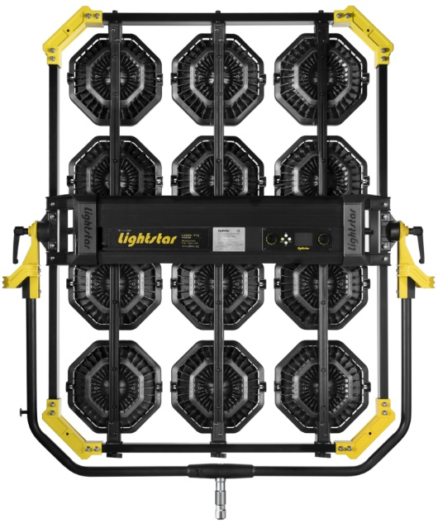
1
2
3
RANK MODE
RANK MODE (RANK 1-3)
RANK 1 - MODE 1 | CCT 8 Bit - 3 CH
DMX Channel | DMX Value | Range | Function
1 | 0-51 51-102 102-153 153-204 204-255 | 0-20% 20-40% 40-60% 60-80% 80-100% | Dimmer Closed - Open Formular: per = DMX_value *0.392
2 | 0-255 | 2700-10000K | Color Temperature Closed - Open Formular: Color Temperature = 2700+DMX_value *28.627 Example: 17 --> 3200K 101--> 5600K 185--> 8000K 255--> 10000K
3 | 0-20 | 0 | Green / Magenta
 | 21-30 | Full Magenta(100%)
 | 30-130 | Magenta(99%-1%)
 | 130-140 | 0%
 | 141-240 | Green(1%-99%)
 | 241-255 | Green(100%)

RANK 2 - MODE 1 | CCT 8 Bit - 3 CH
DMX Channel 4 - 6, the value and function is same as RANK 1

RANK 3 - MODE 1 | CCT 8 Bit - 3 CH
DMX Channel 7 - 9, the value and function is same as RANK 1

RANK 1 - MODE 2 | CCT 16 Bit - 6 CH
DMX Channel | DMX Value | Range | Function
1 | 0-65535 | 0-100% | Dimmer Closed - Open Formular: per = DMX_value /655.35
...
RANK 1 - MODE 25 | Macro - 2 CH
DMX Channel | DMX Value | Range | Function
1 | 0-51 51-102 102-153 153-204 204-255 | 0-20% 20-40% 40-60% 60-80% 80-100% | Dimmer Closed - Open Formular: per = DMX_value *0.392
2 | 0-46 | 0-46 | Pls check: Appendix I Macro

RANK 2 - MODE 25 | Macro - 2 CH
DMX Channel 3 - 4, the value and function is same as RANK 1

RANK 3 - MODE 25 | Macro - 2 CH
DMX Channel 5 - 6, the value and function is same as RANK 1

12
3
4
56
7
8
9
10
11
12
INDIVIDUAL MODE
INDIVIDUAL MODE (LIGHT 1 - 12)
LIGHT 1 - MODE 1 | CCT 8 Bit - 3 CH
DMX Channel | DMX Value | Range | Function
1 | 0-51 51-102 102-153 153-204 204-255 | 0-20% 20-40% 40-60% 60-80% 80-100% | Dimmer Closed - Open Formular: per = DMX_value *0.392
2 | 0-255 | 2700-10000K | Color Temperature Closed - Open Formular: Color Temperature = 2700+DMX_value *28.627 Example: 17 --> 3200K 101--> 5600K 185--> 8000K 255--> 10000K
3 | 0-20 | 0 | Green / Magenta
 | 21-30 | Full Magenta(100%)
 | 30-130 | Magenta(99%-1%)
 | 130-140 | 0%
 | 141-240 | Green(1%-99%)
 | 241-255 | Green(100%)

LIGHT 2 - MODE 1 | CCT 8 Bit - 3 CH
DMX Channel 4 - 6, the value and function is same as LIGHT 1

LIGHT 3 - MODE 1 | CCT 8 Bit - 3 CH
DMX Channel 7 - 9, the value and function is same as LIGHT 1

LIGHT 4 - MODE 1 | CCT 8 Bit - 3 CH
DMX Channel 10 - 12, the value and function is same as LIGHT 1

LIGHT 5 - MODE 1 | CCT 8 Bit - 3 CH
...

Luxed P9
...
MODE 24 | EFFECT - Strobe CCT | 6 CH
 | 130-140 | 0%
 | 141-240 | Green(1%-99%)
 | 241-255 | Green(100%)
5 | 0-255 | 0-25Hz | Frequency Formular: frequency = DMX_value /10.2
6 | 0-255 | 5-95 | Duration Formular: duty = 5+ DMX_value *0.353

MODE 25 | Macro - 2 CH
DMX Channel | DMX Value | Range | Function
1 | 0-51 51-102 102-153 153-204 204-255 | 0-20% 20-40% 40-60% 60-80% 80-100% | Dimmer Closed - Open Formular: per = DMX_value *0.392
2 | 0-46 | 0-46 | Pls check: Appendix I Macro
1
2
3
RANK MODE
RANK MODE (RANK 1 - 3)
RANK 1 - MODE 1 | CCT 8 Bit - 3 CH
DMX Channel | DMX Value | Range | Function
1 | 0-51 51-102 102-153 153-204 204-255 | 0-20% 20-40% 40-60% 60-80% 80-100% | Dimmer Closed - Open Formular: per = DMX_value *0.392
2 | 0-255 | 2700-10000K | Color Temperature Closed - Open Formular: Color Temperature = 2700+DMX_value *28.627 Example: 17 --> 3200K 101--> 5600K 185--> 8000K 255--> 10000K
3 | 0-20 | 0 | Green / Magenta
 | 21-30 | Full Magenta(100%)
 | 30-130 | Magenta(99%-1%)
 | 130-140 | 0%
 | 141-240 | Green(1%-99%)
 | 241-255 | Green(100%)

RANK 2 - MODE 1 | CCT 8 Bit - 3 CH
DMX Channel 4 - 6, the value and function is same as RANK 1

RANK 3 - MODE 1 | CCT 8 Bit - 3 CH
DMX Channel 7 - 9, the value and function is same as RANK 1
...
RANK 1 - MODE 25 | Macro - 2 CH
DMX Channel | DMX Value | Range | Function
1 | 0-51 51-102 102-153 153-204 204-255 | 0-20% 20-40% 40-60% 60-80% 80-100% | Dimmer Closed - Open Formular: per = DMX_value *0.392
2 | 0-46 | 0-46 | Pls check: Appendix I Macro

RANK 2 - MODE 25 | Macro - 2 CH
DMX Channel 3 - 4, the value and function is same as RANK 1

RANK 3 - MODE 25 | Macro - 2 CH
DMX Channel 5 - 6, the value and function is same as RANK 1
INDIVIDUAL MODE (LIGHT 1 - 9)
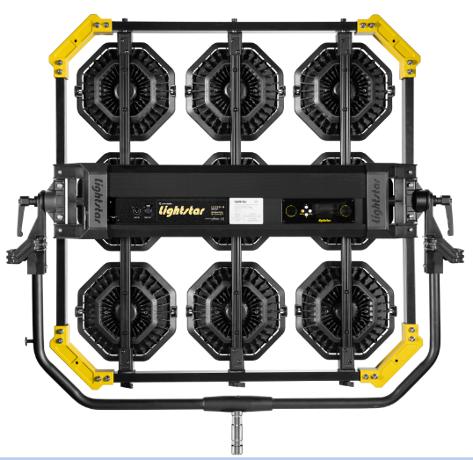
1
2
3
4
5
6
7
8
9
INDIVIDUAL MODE
LIGHT 1 - MODE 1 | CCT 8 Bit - 3 CH
DMX Channel | DMX Value | Range | Function
1 | 0-51 51-102 102-153 153-204 204-255 | 0-20% 20-40% 40-60% 60-80% 80-100% | Dimmer Closed - Open Formular: per = DMX_value *0.392
2 | 0-255 | 2700-10000K | Color Temperature Closed - Open Formular: Color Temperature = 2700+DMX_value *28.627 Example: 17 --> 3200K 101--> 5600K 185--> 8000K 255--> 10000K
3 | 0-20 | 0 | Green / Magenta
 | 21-30 | Full Magenta(100%)
 | 30-130 | Magenta(99%-1%)
 | 130-140 | 0%
 | 141-240 | Green(1%-99%)
 | 241-255 | Green(100%)

LIGHT 2 - MODE 1 | CCT 8 Bit - 3 CH
DMX Channel 4 - 6, the value and function is same as LIGHT 1

LIGHT 3 - MODE 1 | CCT 8 Bit - 3 CH
DMX Channel 7 - 9, the value and function is same as LIGHT 1

LIGHT 4 - MODE 1 | CCT 8 Bit - 3 CH
DMX Channel 10 - 12, the value and function is same as LIGHT 1
...

Luxed P4
...
MODE 24 | EFFECT - Strobe CCT | 6 CH
 | 130-140 | 0%
 | 141-240 | Green(1%-99%)
 | 241-255 | Green(100%)
5 | 0-255 | 0-25Hz | Frequency Formular: frequency = DMX_value /10.2
6 | 0-255 | 5-95 | Duration Formular: duty = 5+ DMX_value *0.353

MODE 25 | Macro - 2 CH
DMX Channel | DMX Value | Range | Function
1 | 0-51 51-102 102-153 153-204 204-255 | 0-20% 20-40% 40-60% 60-80% 80-100% | Dimmer Closed - Open Formular: per = DMX_value *0.392
2 | 0-46 | 0-46 | Pls check: Appendix I Macro
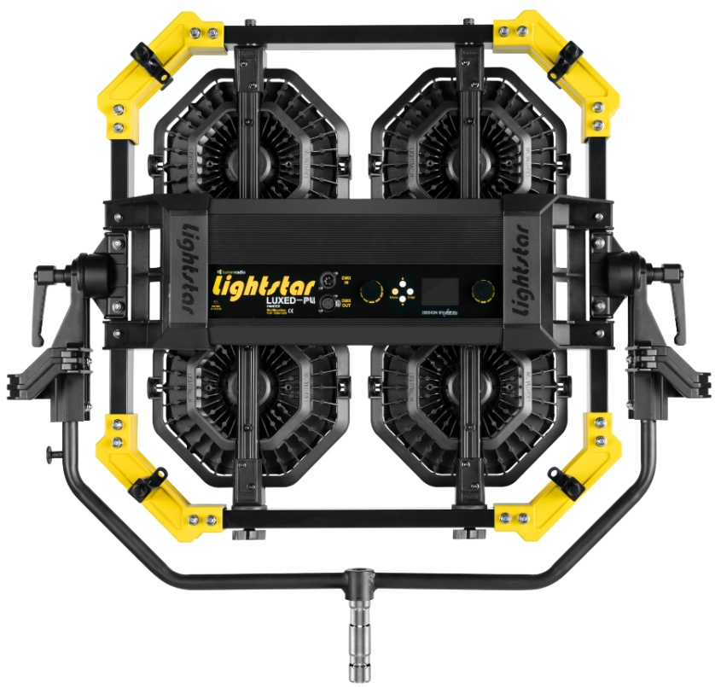
1
2
RANK MODE
RANK MODE (RANK 1 - 2)
RANK 1 - MODE 1 | CCT 8 Bit - 3 CH
DMX Channel | DMX Value | Range | Function
1 | 0-51 51-102 102-153 153-204 204-255 | 0-20% 20-40% 40-60% 60-80% 80-100% | Dimmer Closed - Open Formular: per = DMX_value *0.392
2 | 0-255 | 2700-10000K | Color Temperature Closed - Open Formular: Color Temperature = 2700+DMX_value *28.627 Example: 17 --> 3200K 101--> 5600K 185--> 8000K 255--> 10000K
3 | 0-20 | 0 | Green / Magenta
 | 21-30 | Full Magenta(100%)
 | 30-130 | Magenta(99%-1%)
 | 130-140 | 0%
 | 141-240 | Green(1%-99%)
 | 241-255 | Green(100%)

RANK 2 - MODE 1 | CCT 8 Bit - 3 CH
DMX Channel 4 - 6, the value and function is same as RANK 1

RANK 1 - MODE 2 | CCT 16 Bit - 6 CH
DMX Channel | DMX Value | Range | Function
1 | 0-65535 | 0-100% | Dimmer Closed - Open Formular: per = DMX_value /655.35
2
...
RANK 2 - MODE 24 | EFFECT - Strobe CCT | 6 CH
DMX Channel 7 - 12, the value and function is same as RANK 1

RANK 1 - MODE 25 | Macro - 2 CH
DMX Channel | DMX Value | Range | Function
1 | 0-51 51-102 102-153 153-204 204-255 | 0-20% 20-40% 40-60% 60-80% 80-100% | Dimmer Closed - Open Formular: per = DMX_value *0.392
2 | 0-46 | 0-46 | Pls check: Appendix I Macro

RANK 2 - MODE 25 | Macro - 2 CH
DMX Channel 3 - 4, the value and function is same as RANK 1

1
2
3
4
INDIVIDUAL MODE
INDIVIDUAL MODE (LIGHT 1 - 4)
LIGHT 1 - MODE 1 | CCT 8 Bit - 3 CH
DMX Channel | DMX Value | Range | Function
1 | 0-51 51-102 102-153 153-204 204-255 | 0-20% 20-40% 40-60% 60-80% 80-100% | Dimmer Closed - Open Formular: per = DMX_value *0.392
2 | 0-255 | 2700-10000K | Color Temperature Closed - Open Formular: Color Temperature = 2700+DMX_value *28.627 Example: 17 --> 3200K 101--> 5600K 185--> 8000K 255--> 10000K
3 | 0-20 | 0 | Green / Magenta
 | 21-30 | Full Magenta(100%)
 | 30-130 | Magenta(99%-1%)
 | 130-140 | 0%
 | 141-240 | Green(1%-99%)
 | 241-255 | Green(100%)

LIGHT 2 - MODE 1 | CCT 8 Bit - 3 CH
DMX Channel 4 - 6, the value and function is same as LIGHT 1

LIGHT 3 - MODE 1 | CCT 8 Bit - 3 CH
DMX Channel 7 - 9, the value and function is same as LIGHT 1

LIGHT 4 - MODE 1 | CCT 8 Bit - 3 CH
...

Luxed P3
...
MODE 24 | EFFECT - Strobe CCT | 6 CH
 | 141-240 | Green(1%-99%)
 | 241-255 | Green(100%)
5 | 0-255 | 0-25Hz | Frequency Formular: frequency = DMX_value /10.2
6 | 0-255 | 5-95 | Duration Formular: duty = 5+ DMX_value *0.353

MODE 25 | Macro - 2 CH
DMX Channel | DMX Value | Range | Function
1 | 0-51 51-102 102-153 153-204 204-255 | 0-20% 20-40% 40-60% 60-80% 80-100% | Dimmer Closed - Open Formular: per = DMX_value *0.392
2 | 0-46 | 0-46 | Pls check: Appendix I Macro

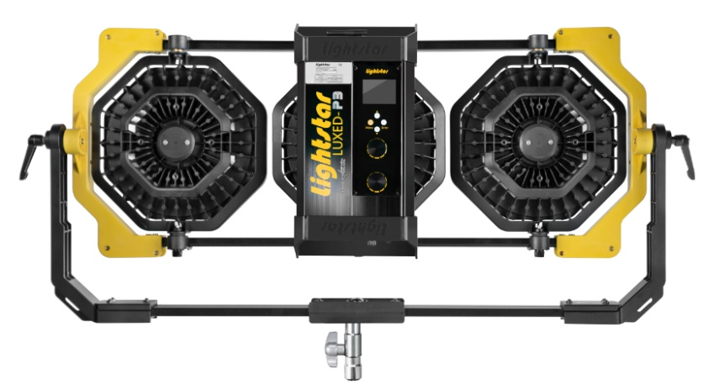
3 2 1
INDIVIDUAL MODE (LIGHT 1 - 3)
LIGHT 1 - MODE 1 | CCT 8 Bit - 3 CH
DMX Channel | DMX Value | Range | Function
1 | 0-51 51-102 102-153 153-204 204-255 | 0-20% 20-40% 40-60% 60-80% 80-100% | Dimmer Closed - Open Formular: per = DMX_value *0.392
2 | 0-255 | 2700-10000K | Color Temperature Closed - Open Formular: Color Temperature = 2700+DMX_value *28.627 Example: 17 --> 3200K 101--> 5600K 185--> 8000K 255--> 10000K
3 | 0-20 | 0 | Green / Magenta
 | 21-30 | Full Magenta(100%)
 | 30-130 | Magenta(99%-1%)
 | 130-140 | 0%
 | 141-240 | Green(1%-99%)
 | 241-255 | Green(100%)

LIGHT 2 - MODE 1 | CCT 8 Bit - 3 CH
DMX Channel 4 - 6, the value and function is same as LIGHT 1
...

Luxed P2
...
MODE 24 | EFFECT - Strobe CCT | 6 CH
 | 241-255 | Green(100%)
5 | 0-255 | 0-25Hz | Frequency Formular: frequency = DMX_value /10.2
6 | 0-255 | 5-95 | Duration Formular: duty = 5+ DMX_value *0.353

MODE 25 | Macro - 2 CH
DMX Channel | DMX Value | Range | Function
1 | 0-51 51-102 102-153 153-204 204-255 | 0-20% 20-40% 40-60% 60-80% 80-100% | Dimmer Closed - Open Formular: per = DMX_value *0.392
2 | 0-46 | 0-46 | Pls check: Appendix I Macro

2 1
INDIVIDUAL MODE (LIGHT 1 - 2)
LIGHT 1 - MODE 1 | CCT 8 Bit - 3 CH
DMX Channel | DMX Value | Range | Function
1 | 0-51 51-102 102-153 153-204 204-255 | 0-20% 20-40% 40-60% 60-80% 80-100% | Dimmer Closed - Open Formular: per = DMX_value *0.392
2 | 0-255 | 2700-10000K | Color Temperature Closed - Open Formular: Color Temperature = 2700+DMX_value *28.627 Example: 17 --> 3200K 101--> 5600K 185--> 8000K 255--> 10000K | 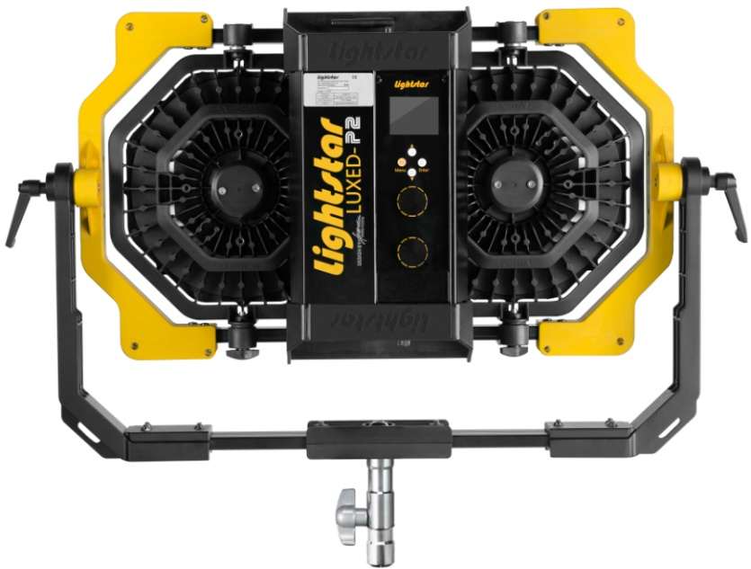
3 | 0-20 | 0 | Green / Magenta
 | 21-30 | Full Magenta(100%)
 | 30-130 | Magenta(99%-1%)
 | 130-140 | 0%
 | 141-240 | Green(1%-99%)
 | 241-255 | Green(100%)

LIGHT 2 - MODE 1 | CCT 8 Bit - 3 CH
DMX Channel 4 - 6, the value and function is same as LIGHT 1
...

